Sheet1
If you want a hardware solution you could just run all of the pins through a hex buffer with an open collector output. like a 74LS07. | DPDT switches control swapping | pickit |  | pic | saturn board
https://lcsc.com/product-detail/74-Series_TI_SN74LS07DRG4_SN74LS07DRG4_C6801.html | B1-B4 | 1 | vpp/mclr | 4 | saturn 3
 | B2-B5 | 2 | vdd target | 1 | 5V
 | B3-B6 | 3 | vss (ground) | 20 | GND
 |  | 4 | ICSPDAT/PGD | 19 | Saturn 7
 |  | 5 | ICSPCLK/PGC | 18 | Saturn 8
 |  | 6 | LVP | N/A

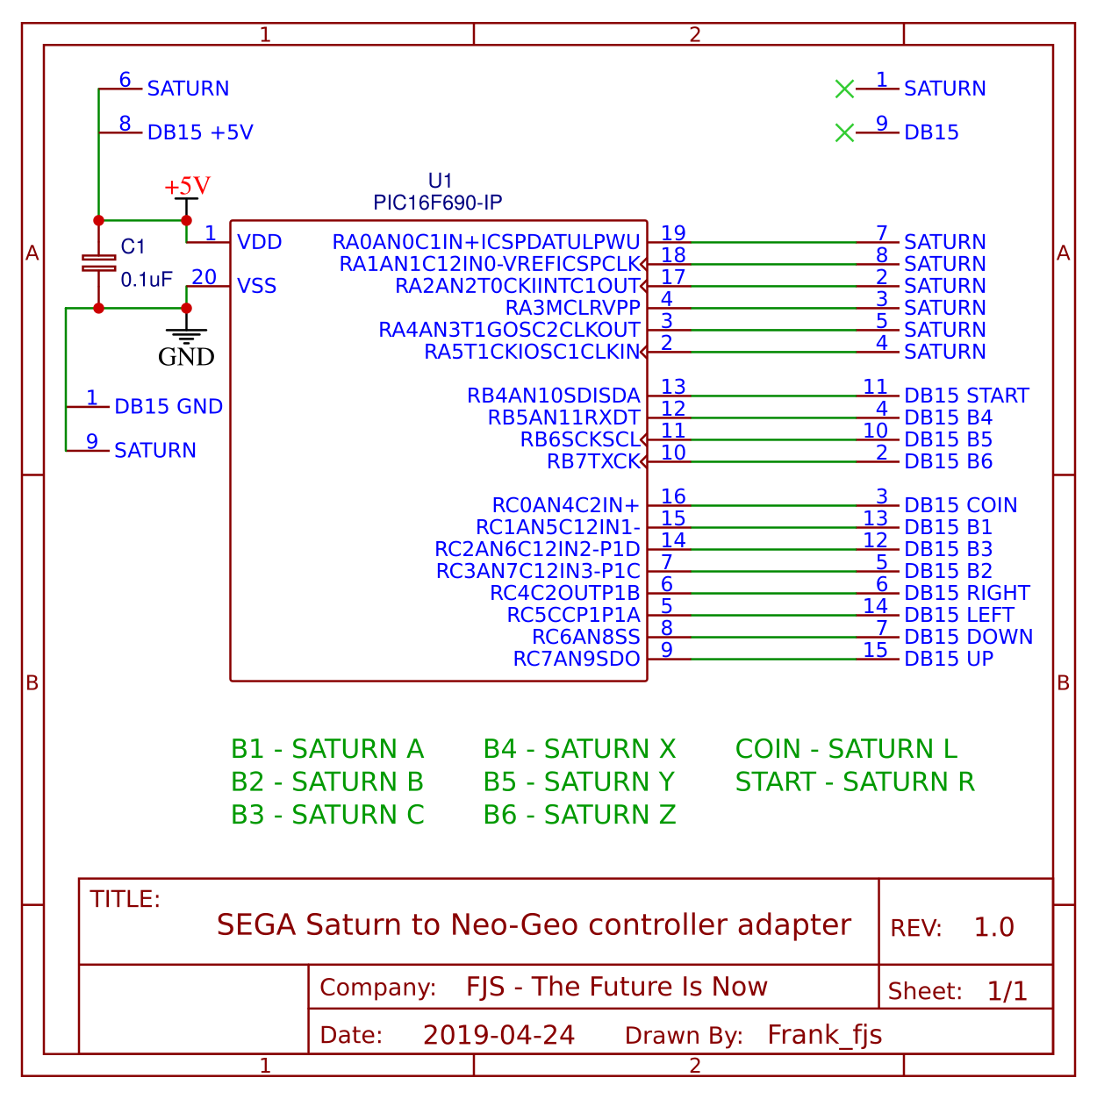

 |  |  |  |  |  | Insert and solder to PCB.
https://www.arcade-projects.com/forums/index.php?thread/8858-sega-saturn-to-neo-geo-controller-adapters/
 |  |  |  |  |  | The Saturn connector has a lip on the bottom of it which sinks into the cutout of the PCB. This prevents horizontal movement.
BOM: |  |  |  |  |  | The LID PCB secures the connector down and prevents vertical movement.
 |  |  |  |  |  | The above two measures ensure a securely mounted connector and an elegant appearance.
Gerber-SAT2NEO-PCB (39.2mm x 42mm)
 |  |  |  |  |  | The inputs are mapped as:
Gerber-SAT2NEO-LID (39.2mm x 12mm)
 |  |  |  |  |  | UP - UP
SAT2NEO-HEX file |  |  |  |  |  | DOWN - DOWN
 |  |  |  |  |  | LEFT - LEFT
PIC16F690 |  |  |  |  |  | RIGHT - RIGHT

DB15 female right angled connector |  |  |  |  |  | A - B1
 |  |  |  |  |  | B - B2
Saturn controller connector, female, harvested from Saturn controller extension cable |  |  |  |  |  | C - B3
 |  |  |  |  |  | X - B4
100nF poly capacitor |  |  |  |  |  | Y - B5
 |  |  |  |  |  | Z - B6
3 x DPDT slide switches: aliexpress.com/item/20PCS-Lot-…35dfe&transAbTest=ae803_5
 |  |  |  |  |  | L - COIN
20 pin 0.3" dip socket (optional) |  |  |  |  |  | R - START

2 x M2 x 9mm high female to female standoffs |  |  |  |  |  | START - UNUSED

4 x M2 x 5mm screws |  |  |  |  |  | The six face buttons, ABCXYZ, can be remapped via the 3 x slide switches.

Suitable programmer to flash the code |  |  |  |  |  | Switch 3 alternates mapping between arcade inputs 1 and 4 to Saturn buttons A and X
 |  |  |  |  |  | Switch 2 alternates mapping between arcade inputs 2 and 5 to Saturn buttons B and Y
The Saturn controller extension cable plug is easily popped open with a small flathead screwdriver. |  |  |  |  |  | Switch 1 alternates mapping between arcade inputs 3 and 6 to Saturn buttons C and Z

Sheet2
